BLACK COFFEE ROASTERS (COFFEE)
DATE | INV NO. | DESCRIPTIONS | QTY | PRICE | BILLS | TOTAL
10-Nov-2025 | BL2-10-2166 | CANGGU BLEND 1 KG | 10 | IDR 280,000 | 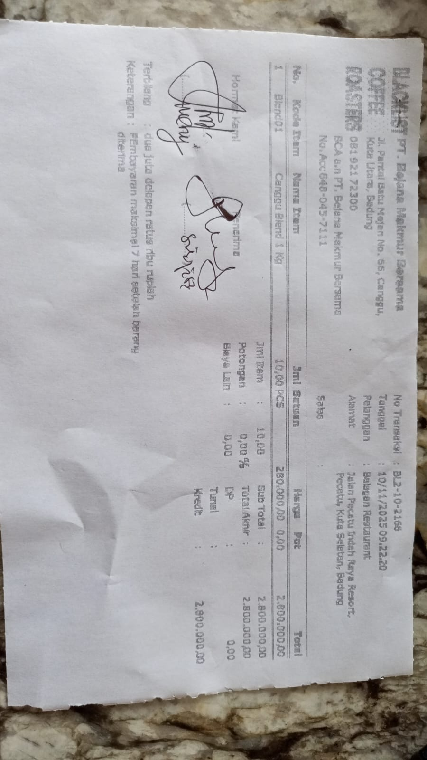 | IDR 2,800,000
24-Nov-2025 | BL2-10-2232 | CANGGU BLEND 1 KG | 10 | IDR 280,000 | 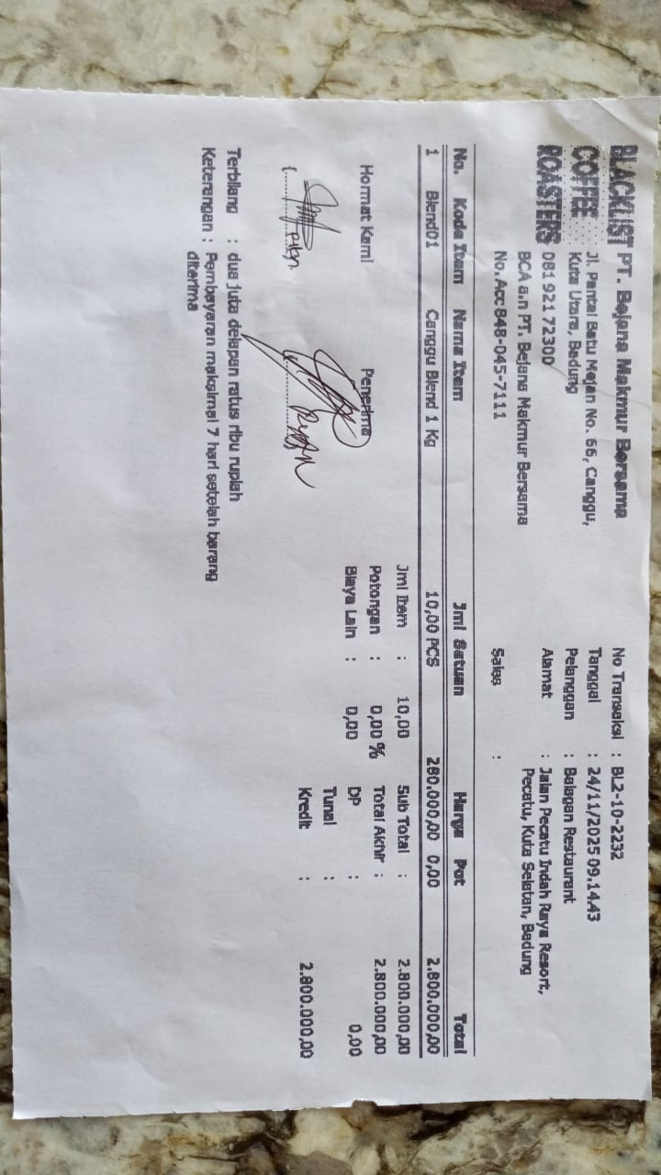 | IDR 2,800,000
Total |  |  |  |  | Rp5,600,000

